map
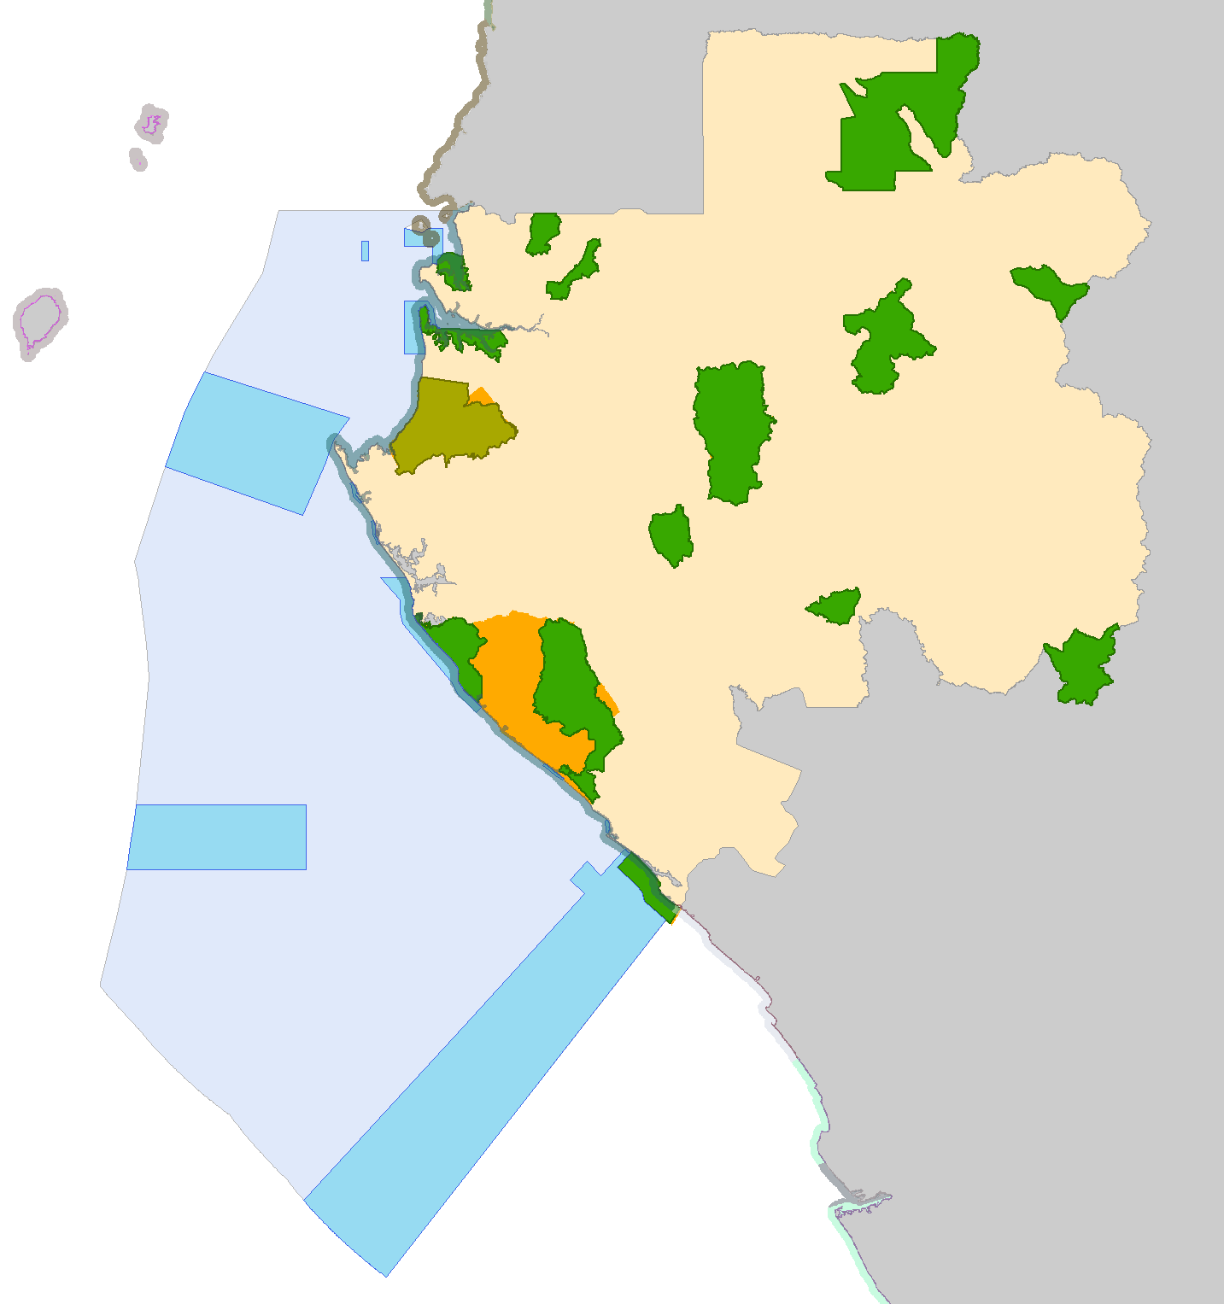
 | % post-MPA | post-MPA score | % pre-MPA | score pre-MPA
3nm offshore | 38% | 100 | 15% | 50
1km inland | 46% | 100 | 40% | 100
total |  | 100 |  | 75

Orange map regions represent "designated" protected areas according to WDPA 2014 and 2015, but not included in the .mdb from CI.

